new customer email bug
0 | Label | Value
Bug ID | ID number | 105
 | Name | new customer email accepts spaces and invalid format -> the new customer email fied dont show any error message
Bug overview | Summary | when i enter all the new customer credentials and i enter space in email field or invalid format it dont show any error message
 | URL | https://demo.guru99.com/V1/html/addcustomerpage.php
 | screenshots | 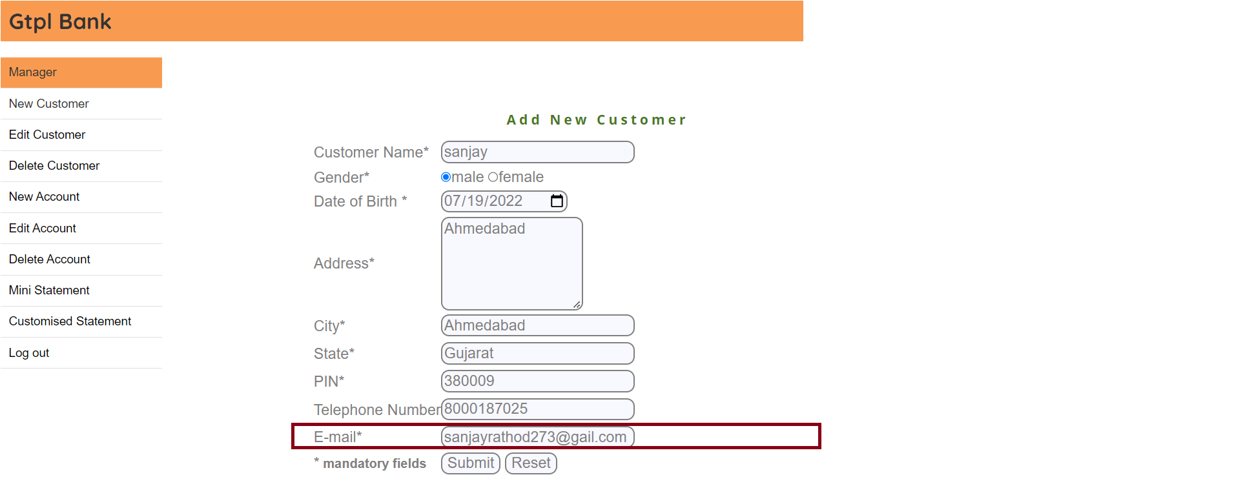
Environment | Platform | chrome
 | Operating System | windows 10
 | version | v2
Bug details | Steps to reproduce | add New customer > Sanjay Male 24/02/1990 Address - Ahmedabad City - Ahmedabad State - Gujarat PIN - 380009 Telephone - 8000187025 Email - sanjayrathod273@gail.com or sanjayrath od273@gmail.com UserId - 1234 and submit
 | Expected result | an error message "invalid email can not be accepted "
Bug tracking | Severity | major
 | Assigned to | /
 | Priority | medium
Notes | Notes | you should modify the validation

